Chinese
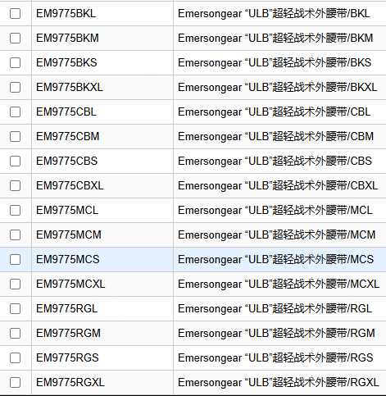
产品基础信息
品牌： | EmersonGear |  |  |  | 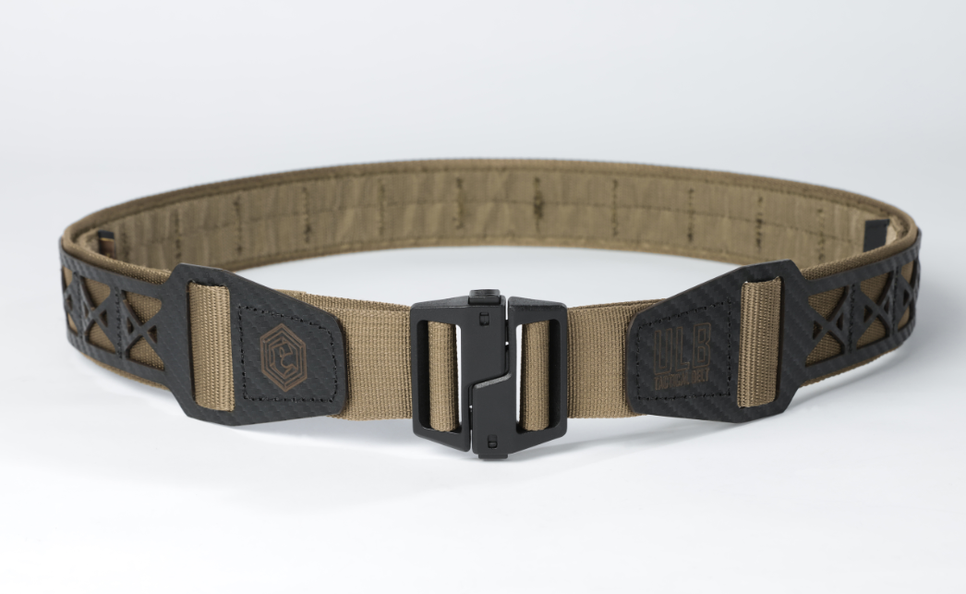
品名: | Emersongear “ULB”超轻战术外腰带
款号: | EM9775
主料（成分）: | 腰带：100%尼龙 1.5mmKydex板: PVC+丙烯酸酯
适宜温度： | N/A
尺寸: | S / M / L / XL
颜色： | BK / CB / RG / MC
功能: | 防泼水 / 超轻量化 / 可调节 / 内外结合 / 单手快拆 / 双头调节
场景（选填）: | 战术 / 射击 / 训练 / 户外
包装 | 透明包装袋
毛重
净重 | 0.19kg

产品卖点
产品核心卖点 （1-2个） | 超轻量化：产品重量仅190g，是迄今为止我们最轻的具备MOLLE系统的战术外腰带 单手快拆：扣具可以通过单手操作实现单手快开的功能 双头调节：产品腰带内侧两头都设有魔术贴结合，两头都可以实现调节功能，此设计主要解决了用户调节后腰带无法居中的尴尬
使用功能卖点 | MOLLE系统：产品外侧使用1.5mm（厚度）Kydex板车缝，同时具备MOLLE系统，可安装附件包 内外结合：产品为外腰带单品，为实现实现内外腰带的配合使用，可以通过另购EM9726实现
其他卖点 | 扣头耐低温：-40°摄氏度（但暂无质检报告）

 |  | 单位 | S | M | L | XL
厘米 |  | CM | 80-90 | 88-98 | 96-106 | 104-114
英寸 |  | INCH | 31.5-35 | 34.6-38.6 | 37.8-41.7 | 40.9-44.8

Inspection Report
检测报告

