Chinese
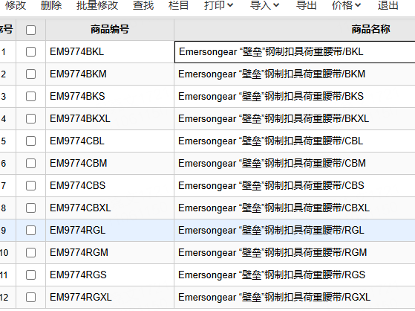
产品基础信息
品牌： | EmersonGear |  |  |  | 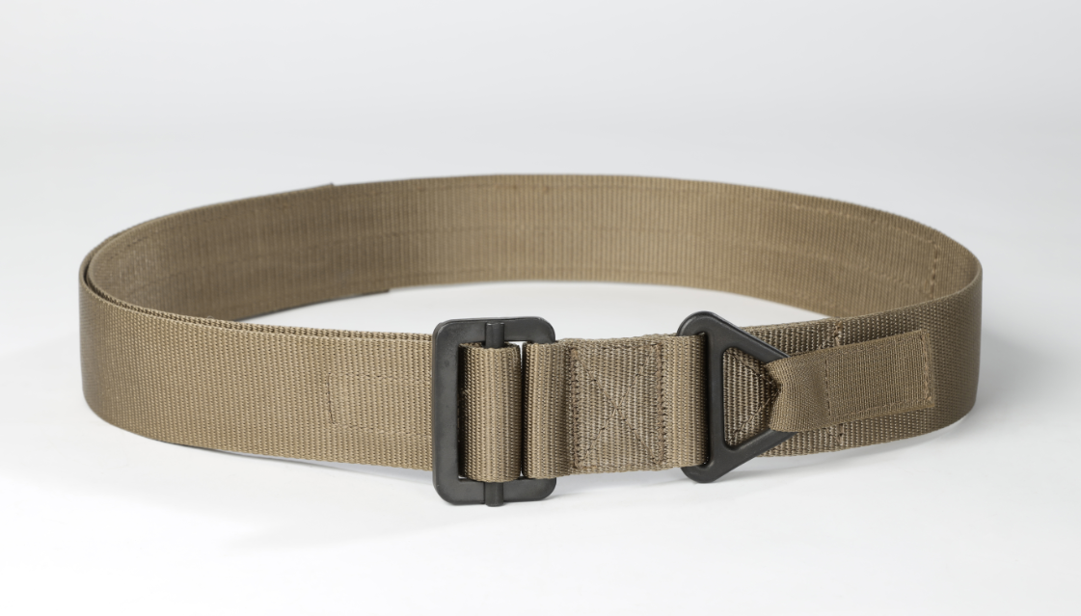
品名: | Emersongear “壁垒”钢制扣具荷重腰带
款号: | EM9774
主料（成分）: | 腰带：100%尼龙 扣具：100%钢
适宜温度： | N/A
尺寸: | S / M / L / XL
颜色： | BK / CB / RG
功能: | 耐磨 / 防泼水 / 轻量化 / 高强度 / 可调节
场景（选填）: | 战术 / 射击 / 训练 / 户外
包装 | 透明包装袋
毛重
净重 | 0.28kg

产品卖点
产品核心卖点 （1-2个） | SGS质量认证：扣具经过SGS检测通过承受15KN拉力测试 高强度织带：腰带织带采用100%尼龙材质通过加捻工艺制成（加捻：纱线互相交织纺织的扭力更高），使得腰带织带本身强度比普通织带强度更高更坚韧
使用功能卖点 | 可调幅度大：每个码数存在14CM的可调空间 安全绳扣：腰头扣具设有安全绳扣具 多用途：Emersongear “壁垒”钢制扣具荷重腰带适合多场景使用，作为内腰带的同时具备挂载安全绳扣的设计，适合户外作业，训练、射击等使用场景
其他卖点 | 暂无

 |  | 单位 | S | M | L | XL
厘米 |  | CM | 83-69 | 93-79 | 103-89 | 113-99
英寸 |  | INCH | 32.6-27.16 | 36.6-31.1 | 40.5-35 | 44.4-38.9

Inspection Report
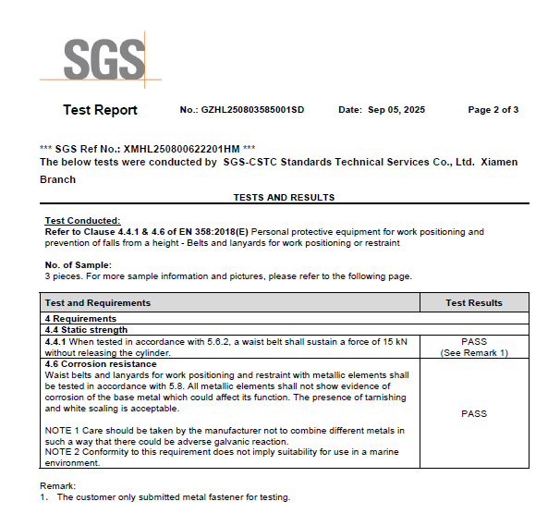
检测报告
