Chinese
产品基础信息
品牌： | EmersonGear |  |  |  | 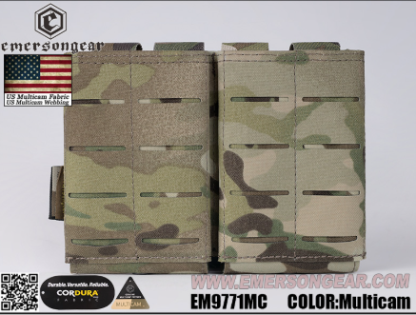
品名: | Emersongear LCS M4 AK双联弹夹袋
款号: | EM9771
主料（成分）: | 100%尼龙
适宜温度： | N/A
尺寸: | N/A
颜色： | BK / CB / MC / RG
功能: | Molle system /wear-resistant /splash proof /Lightweight
场景（选填）: | Tactics / Shooting / Styling / Training / Airsoft / Outfits
包装 | Transparent packaging bag
毛重 | 0.147KG
净重 | 0.107KG

产品卖点
产品核心卖点 （1-2个） | 轻量化：EM9771-Emersongear LCS M4 AK双联弹夹袋采用单层结构，容纳共计2个5.56或7.62弹夹，同时外侧正面使用激光MOLLE结构，大幅减少产品重量，达到轻量化的装备使用需求 2.MOLLE模块化系统：产品背面设有MOLLE模块化系统，通过织带固定在战术背心或要带上，其编织以及紧固结构确保安装稳固
使用功能卖点 | 单手操作：产品每个仓体本身内设支撑材料，主要起到保护弹夹的作用，同时仓体拥有适度硬挺属性能带来更便捷的使用方式。无论是拔出或者是重新放置，仅通过单手即可完成，无需双手辅助 高强度：产品MC色采用美国CP公司原品Multicam牛津布制作，其余颜色（BK / RG / CB）采用同为100%尼龙消光牛津布制作，均具有耐磨防油污防泼水功能
其他卖点 | 配搭产品：本品非专用产品，建议配搭同属激光MOLLE设计之背心以及腰带配合使用

部位 | 量法 | 单位 | S | M | L | XL | 2XL | 3XL | 4XL
衣长 | 后中 | CM
领围 | 全围 | CM
胸围 | 全围 | CM
脚围 | 全围 | CM
袖长 | 领顶 | CM
袖口 | 全围 | CM
适配身高 |  | CM
适配体重 |  | KG

